Summary
This Workbook tracks the IT Teams resource usage over the year aswell as providing a comparison with the previous year.

Year 2026 |  |  | Jan | Feb | March | April | May | June | July | August | September | October | November | December
 | MGMT |  | 87% | 57% | 67% | 99% | 98% | 96% | 100% | 99% | 100% | 100% | 100% | 100% | 92% |  | Jan | Feb | March | April | May | June | July | August | September | October | November | December | Total
 | Service Desk |  | 70% | 88% | 83% | 99% | 98% | 99% | 100% | 100% | 100% | 100% | 88% | 100% | 94% | Capacity (Full Team) | 2500 | 2300 | 2300 | 2300 | 2300 | 2300 | 2300 | 2300 | 2300 | 2300 | 2300 | 2300 | 27800
 | OST |  | 86% | 73% | 95% | 97% | 98% | 100% | 89% | 100% | 100% | 100% | 100% | 100% | 95% | Opened | 1664 | 1520 |  |  |  |  |  |  |  |  |  |  | 3184
 | OST BaB |  | 84% | 73% | 78% | 100% | 100% | 100% | 100% | 100% | 100% | 100% | 100% | 100% | 95% | Closed | 1634 | 1530 |  |  |  |  |  |  |  |  |  |  | 3164
 | Projects |  | 87% | 57% | 67% | 99% | 98% | 96% | 100% | 99% | 100% | 100% | 100% | 100% | 92% |  | JM Left
 |  |  | Jan | Feb | March | April | May | June | July | August | September | October | November | December | 93% |  |  | 1x Support Engineer Vacancy
 |  |  | Q1 |  |  | Q2 |  |  | Q3 |  |  | Q4
 | <90% >110% |  | 77% |  |  | 98% |  |  | 99% |  |  | 99%
Within Capacity | Under resourced | Over Resourced | PM Vacancy - 1x Support Engineer Feb

Resource Usage 2026
Open vs Closed 2025
 | Opened | Closed | Capacity (Full Team)
Jan | 1664 | 1634 | 2500
Feb | 1520 | 1530 | 2300
March |  |  | 2300
April |  |  | 2300
May |  |  | 2300
June |  |  | 2300
July |  |  | 2300
August |  |  | 2300
September |  |  | 2300
October |  |  | 2300
November |  |  | 2300
December |  |  | 2300

Year 2025 |  |  | Jan | Feb | March | April | May | June | July | August | September | October | November | December
 | Service Desk |  | 91% | 94% | 79% | 86% | 89% | 90% | 83% | 82% | 74% | 75% | 93% | 78% | 84% |  | Jan | Feb | March | April | May | June | July | August | September | October | November | December | Total
 | OST |  | 155% | 70% | 72% | 83% | 83% | 80% | 115% | 130% | 116% | 76% | 75% | 100% | 96% | Capacity (Full Team) | 1312 | 1312 | 1312 | 2500 | 2500 | 2500 | 2500 | 2500 | 2500 | 2500 | 2500 | 2500 | 26436
 | OST BaB |  | 91% | 93% | 76% | 90% | 90% | 74% | 87% | 78% | 93% | 120% | 108% | 83% | 90% | Opened | 1075 | 1040 | 991 | 1795 | 2447 | 3702 | 3702 | 2555 | 2121 | 2005 | 2226 | 1487 | 25146
 | Projects |  | 97% | 87% | 94% | 113% | 113% | 89% | 88% | 85% | 95% | 88% | 97% | 97% | 95% | Closed | 910 | 1040 | 1000 | 1773 | 2620 | 3687 | 3678 | 2451 | 2235 | 2068 | 2183 | 1548 | 25193
 | MGMT |  | 67% | 81% | 70% | 61% | 61% | 82% | 50% | 53% | 77% | 68% | 64% | 61% | 66% |  | Connectwise - Exc Alerts |  |  | *Moved to HALO
 |  |  | Jan | Feb | March | April | May | June | July | August | September | October | November | December | 86% |  |  |  |  | Includes test tickets/duplicates
 |  |  | Q1 |  |  | Q2 |  |  | Q3 |  |  | Q4 |  |  |  |  |  |  |  | *includes Alerts >
 | <90% >110% |  | 88% |  |  | 86% |  |  | 87% |  |  | 85%
Within Capacity | Under resourced | Over Resourced | Maternity Leave - Jan - Sept, SDM/OPs July - September - PM Vacancy - Oct >

Resource Usage 2025
Open vs Closed 2025

Year 2024
 | SD Available |  | 45% | 45% | 59% | 82% | 77% | 78% | 72% | 65% | 75% | 81% | 73% | 53% | 67% |  | Jan | Feb | March | April | May | June | July | August | September | October | November | December | Total
 | OST |  | 125% | 125% | 113% | 93% | 80% | 80% | 100% | 95% | 64% | 100% | 136% | 195% | 109% | Capacity Current | 1312 | 1312 | 1312 | 1312 | 1312 | 1312 | 1312 | 1312 | 1312 | 1312 | 1312 | 1312 | 15744
 | OST BaB |  | 75% | 75% | 95% | 100% | 67% | 75% | 83% | 86% | 90% | 89% | 83% | 80% | 83% | Opened | 1587 | 1370 | 1400 | 1256 | 1008 | 1211 | 1107 | 912 | 1290 | 1114 | 1030 | 698 | 13983
 | Projects |  | 135% | 135% | 110% | 81% | 80% | 81% | 66% | 54% | 73% | 67% | 76% | 72% | 86% | Closed | 1076 | 900 | 1150 | 1175 | 1111 | 1063 | 1076 | 925 | 1270 | 1117 | 1010 | 711 | 12584
 | MGMT |  | 50% | 50% | 90% | 89% | 89% | 96% | 96% | 81% | 80% | 70% | 88% | 75% | 80%
 |  |  | Jan | Feb | March | April | May | June | July | August | September | October | November | December | 85%
 |  |  | Q1 |  |  | Q2 |  |  | Q3 |  |  | Q4
 | <90% >110% |  | 88% |  |  | 83% |  |  | 79% |  |  | 89%
Within Capacity | Under resourced | Over Resourced | x1 Project Engineer Vacancy 1x 3rd Line Vacancy 1x OST |  |  | x1 Project Engineer Vacancy 1x 3rd Line Vacancy |  |  | x1 Project Engineer Vacancy 1x 3rd Line Vacancy

Resource Usage 2024
 | SD Available | OST | OST BaB | MGMT | Projects | Capacity | Under Resourced | Over Resourced
Jan | 0.45 | 1.25 | 0.75 | 0.5 | 1.35 | 1 | 0.9 | 1.1
Feb | 0.45 | 1.25 | 0.75 | 0.5 | 1.35 | 1 | 0.9 | 1.1
March | 0.59 | 1.125 | 0.95 | 0.9 | 1.1 | 1 | 0.9 | 1.1
April | 0.82 | 0.92857142857 | 1 | 0.89285714286 | 0.80952380952 | 1 | 0.9 | 1.1
May | 0.76984126984 | 0.80158730159 | 0.66666666667 | 0.89285714286 | 0.80158730159 | 1 | 0.9 | 1.1
June | 0.78333333333 | 0.8 | 0.75 | 0.9625 | 0.8125 | 1 | 0.9 | 1.1
July | 0.725 | 1 | 0.825 | 0.9625 | 0.6625 | 1 | 0.9 | 1.1
August | 0.6462585034 | 0.95238095238 | 0.85714285714 | 0.80952380952 | 0.53571428571 | 1 | 0.9 | 1.1
September | 0.74829931973 | 0.64285714286 | 0.90476190476 | 0.79761904762 | 0.73015873016 | 1 | 0.9 | 1.1
October | 0.80745341615 | 1 | 0.89130434783 | 0.69565217391 | 0.66666666667 | 1 | 0.9 | 1.1
November | 0.73214285714 | 1.3571428571 | 0.83333333333 | 0.88095238095 | 0.7619047619 | 1 | 0.9 | 1.1
December | 0.53125 | 1.95 | 0.8 | 0.75 | 0.71666666667 | 1 | 0.9 | 1.1
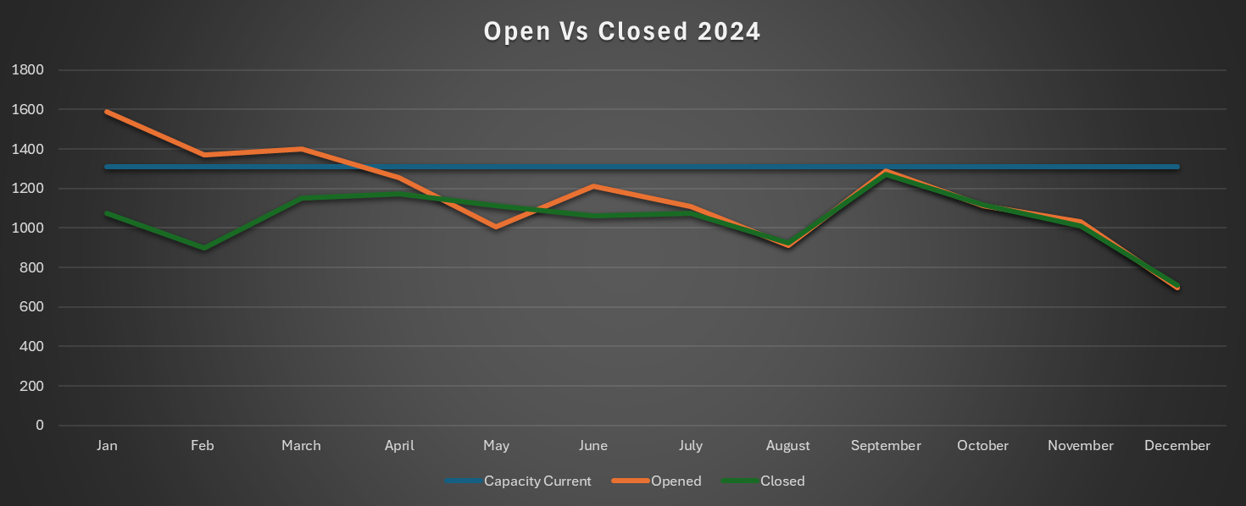

 | Over Resourced | 110% | 110% | 110% | 110% | 110% | 110% | 110% | 110% | 110% | 110% | 110% | 110%
 | Capacity | 100% | 100% | 100% | 100% | 100% | 100% | 100% | 100% | 100% | 100% | 100% | 100%
 | Under Resourced | 90% | 90% | 90% | 90% | 90% | 90% | 90% | 90% | 90% | 90% | 90% | 90%

